nb
MODEL | PHOTO | Gender | ROZMIAR / SIZE EU | 40 | 41.5 | 42 | 42.5 | 43 | 44 | 44.5 | 45 | 46.5 | QTY | RRP | WHS
GM500BBN | 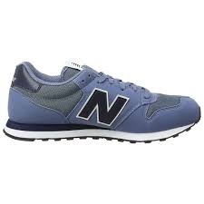 | MEN | QTY/ SIZE | 15 | 18 | 30 | 15 | 30 | 30 | 15 | 15 | 15 | 183 | 75 | 37.5
GM500BUS |  | MEN | QTY/ SIZE | 15 | 14 | 26 | 10 | 21 | 24 | 9 | 11 | 15 | 145 | 75 | 37.5
GM500GSB |  | MEN | QTY/ SIZE | 30 | 30 | 60 | 30 | 60 | 60 | 30 | 30 | 30 | 360 | 75 | 37.5
GM500KSW |  | MEN | QTY/ SIZE | 10 | 8 | 16 | 4 | 12 | 12 | 5 | 6 | 8 | 81 | 75 | 37.5
GM500OWN |  | MEN | QTY/ SIZE | 15 | 15 | 30 | 15 | 30 | 30 | 15 | 15 | 15 | 180 | 75 | 37.5
ML574EYW |  | MEN | QTY/ SIZE | 9 | 8 | 17 | 6 | 16 | 15 | 6 | 6 | 7 | 90 | 90 | 45
MRL247CK | 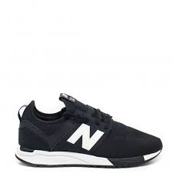 | MEN | QTY/ SIZE | 25 | 20 | 31 | 25 | 24 | 29 | 25 | 10 | 15 | 204 | 95 | 47.5
MRL247NW |  | MEN | QTY/ SIZE | 8 | 8 | 16 | 5 | 14 | 14 | 5 | 5 | 5 | 80 | 95 | 47.5
MRL247WG |  | MEN | QTY/ SIZE | 13 | 12 | 24 | 9 | 23 | 23 | 9 | 8 | 9 | 130 | 95 | 47.5
 |  |  |  |  |  |  |  |  |  |  |  |  | 1453

MODEL | PHOTO | OPIS/ DISCRIPTION | ROZMIAR / SIZE EU | 36 | 37 | 37.5 | 38 | 38.5 | 39 | 40 |  |  | QTY | RRP | WHS | PRICE EUR EXW 10%
KL005SGY |  | GIRLS | QTY/SIZE | 10 | 10 | 10 | 20 | 20 | 30 | 20 |  |  | 120 | 55 | 27.5 | #REF!
KX574D6Y / YV574GP |  | GIRLS | QTY/SIZE | 10 | 10 | 10 | 20 | 20 | 30 | 20 |  |  | 120 | 60 | 30 | #REF!
KX574GPY / YV574GP |  | GIRLS | QTY/SIZE | 10 | 10 | 10 | 20 | 20 | 30 | 20 |  |  | 120 | 60 | 30 | #REF!
KX574GWY/ YV574GW |  | BOYS | QTY/SIZE | 10 | 10 | 10 | 20 | 20 | 30 | 20 |  |  | 120 | 60 | 30 | #REF!
 |  |  |  |  |  |  |  |  |  |  |  |  | 480

